Dashboard
Análisis de Rendimiento Académico y Gaming
Dataset: 8000 estudiantes | Fuente: Gaming Academic Performance Dataset
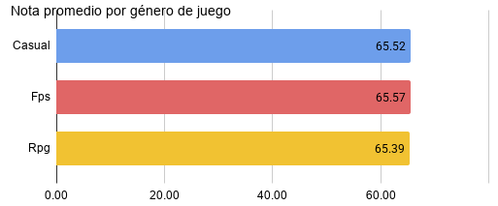
Nota promedio general | 65.50
Nota maxima | 100.00
Horas juego promedio | 4.09
% rendimiento alto | 50.75%

Estudiantes por % de estres
Nota promedio por nivel de estrés y género de juego

🔍 El nivel de estrés es el factor más influyente en el rendimiento académico. Los estudiantes con estrés alto obtienen una nota promedio de 82.61, mientras que los de estrés bajo apenas alcanzan 49.44. Esto sugiere que el estrés alto podría estar asociado a mayor motivación o exigencia académica. Acción: investigar si los estudiantes con estrés alto también tienen menor tiempo de gaming. |  | 🔍 El género de juego no determina el rendimiento académico. Casual (65.52), FPS (65.57) y RPG (65.39) muestran promedios prácticamente idénticos. No hay evidencia de que el tipo de juego afecte las notas. Acción: enfocar el análisis en otras variables como horas de juego y horas de estudio. | 🔍 El estudiante promedio juega 4.09 horas diarias. Con una nota promedio de 65.50 y solo el 50.75% con rendimiento alto, existe margen de mejora general. Acción: analizar si existe un umbral de horas de juego a partir del cual el rendimiento cae significativamente.

